API Testing
What is API testing ? | API testing is a category of software integration testing that deals with the testing of Application Programming Interfaces (APIs) directly. It deals with checking if the APIs developed work as expected in terms of reliability, functionality, security, and performance of the business logic covered by the applications.

What is API? | API (Application Programming Interface) helps in communication and data exchange between two software systems. API act as an interface between two applications and allows the two software systems communicate with one another. API is a collection of functions which can be executed by another software program.

How do APIs work? | The general workflow of API is that it takes a request, processes it which might involve data validation, database interaction, data processing, and then the resultant of this is sent back to the source. APIs provide an abstraction to the internal business logic as they are not exposed to the world.
 | Examples of APIs: Amazon API, Google Map API, Twitter API, etc.

What are the different types of API testing? | There are various types of API testing, they are: Functional Testing Unit Testing Load Testing Security Testing UI Testing Interoperability and WS compliance Testing Penetration Testing (Pen Test) Fuzz Testing.

What protocols can be tested using API Testing? | API testing can be used for testing the following protocols: HTTP REST SOAP JMS UDDI

What are the most commonly used tools for API testing? | The most popularly used tool in the market is PostMan. This tool helps to create manual and automated test cases for testing the APIs in a well-designed manner. Apart from this, there are different tools like JMeter, Parasoft SOAtest, SoapUI, Apigee, API fortress, JUnit, etc.

Mention the key difference between UI level testing and API testing? | UI ( User Interface) refers to testing graphical interface such as how user interacts with the applications, testing application elements like fonts, images, layouts etc. UI testing basically focuses on look and feel of an application.

Explain what is REST API? | It is a set of functions to which the developers performs requests and receive responses. In REST API interaction is made via HTTP protocol REST – stands for Representational State Transfer, it is quickly becoming defacto standard for API creation.

Explain API framework? | API framework is self-explanatory. Values for test run and for holding the configurable parts, config file is used. Automated test cases must represent in “ parse-table” format within config file. When testing API, it is not necessary to test each API so the config file have some section whose all API are activated for that specific run.

Explain what is SOAP? | SOAP-stands for Simple Object Access Control, and it is an XML based protocol for exchanging information between computers

API testing | UNIT testing
This testing is owned by the Quality Analyst team. | This testing is owned by the developers working on the corresponding modules.
This belongs to the category of black box testing. | This belongs to white box testing.
Full system functionality is considered in API testing as the API would be used by external developers. | As the name indicates, this testing verifies whether the unit of code works as expected or not in isolation.
In this testing, the testers do not have access to the internal source code and it focuses only on the functionality of the API. | The developers who work on developing unit test cases have access to the source code as they need to ensure the modules developed are passed before delivery.

What are the advantages of API Testing? | There are various advantages of API testing. Some of the most significant advantages are as follows: Core Functionality Testing: This kind of testing provides access to the entire system without the need for a user interface. The functionalities of the application would be evaluated end-to-end without the need for GUI (Graphical User Interface) which helps in detecting issues that can prove to be bigger at the time of GUI testing. Time and Cost Effectiveness: This is usually less time-consuming when compared to GUI testing. It also requires less code for testing the functionalities thereby making it easier to set up and get faster access to test coverage. It also results in effective cost savings for the project. Language-Independent: The data transfer between the test platform to the applications is done utilizing XML or JSON and is completely independent of the languages used in developing the systems. The test automation suite can be developed in any language. Ease of Integration with GUI: API testing provides highly flexible test suites that help in easier integration with the GUI tests. For instance, before the GUI test cases are initiated, employing API test cases, we can create sample users that can act as an initial base for the GUI tests.
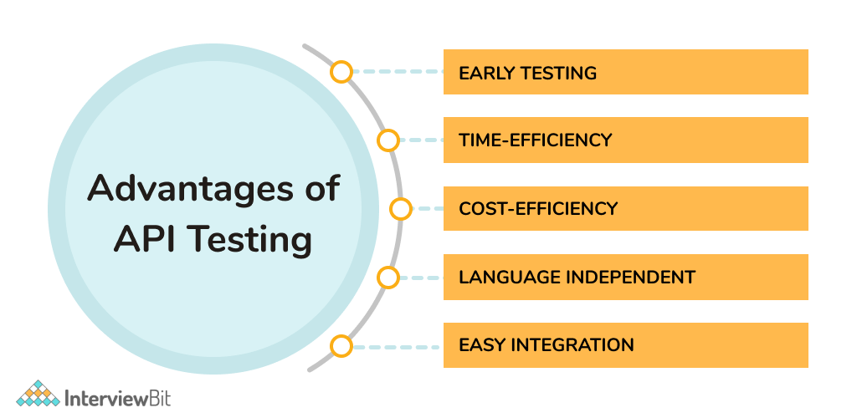

What needs to be verified in API testing? | In API Testing, we send a request to the API and then we analyze the responses based on the following parameters: Data accuracy of the actual response with the expected response. HTTP status codes of the resultant API. Response time of the API. Error codes if the APIs are expected to throw an error. Authorization Details Test non-functional specifications of the applications like security, performance, availability etc.

best practices that need to be followed for writing test cases | 1.We need to write test cases that correspond with the perspective of end-users. 2.Steps defined in the test cases needs to be simple so that anyone can replicate the steps. 3.Ensure that the test cases are reusable. 4.Define and set the priority of test cases. 5.Provide a valid description, test input parameters, test data, expected outcome after running the test cases so that we can compare the actual outcomes of the test cases with the expected ones. 6.Make sure to develop test cases that cover negative test scenarios too. 7.Naming conventions need to be properly followed while developing test cases. 8.Review them regularly and update them as and when the functionality gets updated.

Black Box Testing | Black Box Testing is one of the methods in software testing where the testers evaluate the software functionality without the knowledge of the internal source code. This ideology can be applied in every branch of testing such as unit testing, integration testing, system testing and acceptance testing.
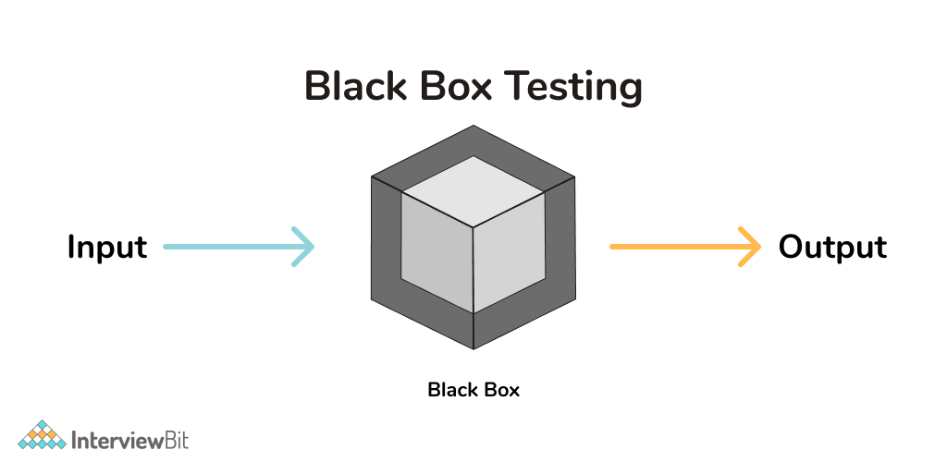

Define Test Data | Test data is the input data used by the testers to execute their test cases. This data can be prepared either manually or by making use of tools. For instance, to test the login functionality of an application, testers would need input data such as username and password which constitutes the test data

Define test coverage. | Test coverage is a measure that signifies the amount of testing performed by making use of our test cases. It can be either functional testing or non-functional testing of the application. This provides a fair idea about what the testers need to cover in their test cases

What is Latency in API testing? | Latency refers to the response time or the delay taken by the request to reach the server. We need to ensure that the latency involved in reaching the server is minimum as higher the latency, greater is the impact in the application’s speed and performance

Throughput in Performance testing | Throughput refers to the number of transactions per second that an application can handle under the influence of lot of users (load). The API needs to ensure that required throughput is met before it is deployed on production. We can identify this by performing the Load Testing of the APIs. We can do this by identifying multiple transactions of different priorities and check how many requests are successfully passed in acceptable time governed by the SLAs (Service Level Agreements) defined by us

What are the different bugs that can be found in API testing? | We can find the below bugs at the time of API testing: Duplicate or missing API functionality Failure to handle negative test cases Failure to handle a sudden spike in load or stress Reliability of the application behavior Failure to handle requests securely Unused flags Unimplemented errors Poor Performance Issues in Multi-threading Improper error responses Improper status codes

What is Payload? | Payload is the most common term used in the case of REST APIs. It refers to the actual data sent to the server in the API request in different formats like JSON, XML etc

What is the importance of caching mechanism? | Caching mechanism is the practice of storing data temporarily to retrieve data for repeated requests. This increases the performance of the system by obtaining the data from the cached copy instead of hitting the database and getting the original data

test environment for API | The test environment is an environment that helps test the APIs developed by providing a feature to send requests and get the responses from the server. It is similar to the production environment where the Quality Analyst has enough data to perform their functionality testing. In a test environment, we can have a test database, a localized gateway, a server and a load balancer.

How should we test the API security? | To test the security of the API during API testing, we need to validate 2 things: Authentication: Whether the identity of the end-user is correct. Authorization: Whether the user is allowed to access the resource. We can also validate whether the TLS or the SSL certificate used over the HTTPS protocol is valid or not

Status Code | Description
 | success
200 OK (GET, PUT) | Indicates that the request has succeeded.
201 Created (POST) | Indicates that the request has succeeded and a new resource has been created as a result.

202 Accepted | Indicates that the request has been received but not completed yet. It is typically used in log running requests and batch processing.
204 No Content | The server has fulfilled the request but does not need to return a response body. The server may return the updated meta information.
 | Redirection messages
300 | Multiple choice
301 | Moved Permanently
302 | Found
303 | see others
 | client errors
400 | Bad Request
401 | Unauthorized Error
 | that represented the request sent by the client to the server that lacks valid authentication credentials.
 | Authorization required. It represents that the request could not be authenticated.
 | without access token we can't access the API
402 | Payment Required
403 | Forbidden
404 | Not Found how to solve this issue: check url
 | server errors

500 | Internal Server Error (APP error) go to application logs (code is breaking) you will get exception report in bug
501 | Not Implemented
502 | Bad Gateway
503 | Service Unavailable
504 | Gateway Timeout

what is headers | project related information
 | trace id,
 | key and value pair

Parameters in HTTP request headers | Request and Response Body
 | Request Authorization
 | Response Caching
 | Response Cookies
Authorization: Carries credentials containing the authentication information of the client for the resource being requested.

WWW-Authenticate: This is sent by the server if it needs a form of authentication before it can respond with the actual resource being requested. Often sent along with a response code of 401, which means ‘unauthorized’.

Accept-Charset: This is a header which is set with the request and tells the server about which character sets are acceptable by the client.

Content-Type: Indicates the media type (text/html or text/JSON) of the response sent to the client by the server, this will help the client in processing the response body correctly.

Cache-Control: This is the cache policy defined by the server for this response, a cached response can be stored by the client and re-used till the time defined by the Cache-Control header.

Different Varable in Postman | The usage of Postman variables is the same as that of programming variables, as it can store the values of the variables and can be used in requests, environments, collections, and scripts. Types of variables in Postman are environment variables, collections variables, and data variables.
 | An environment is a set of variables you can use in your Postman requests. You can use environments to group related sets of values together and manage access to shared Postman data if you are working as part of a team

data driven parameter in postman | Postman supports CSV and JSON files to get data for the test scripts. The data-driven approach is useful when we need to execute a test with multiple sets of Data. Also, modifying or adding any data fields will just need updating the data files which is easier than going to test script and updating test data.

Manual testing notes
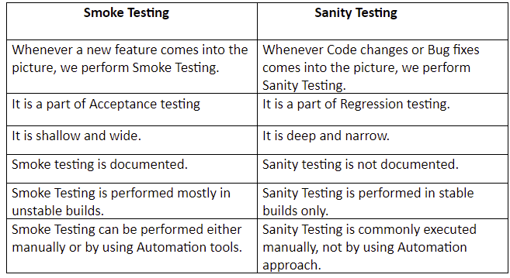
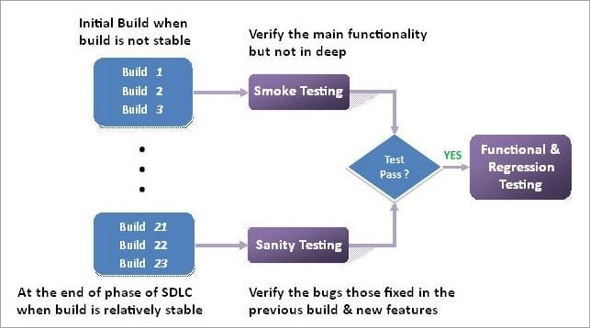
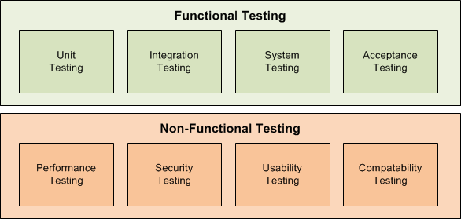
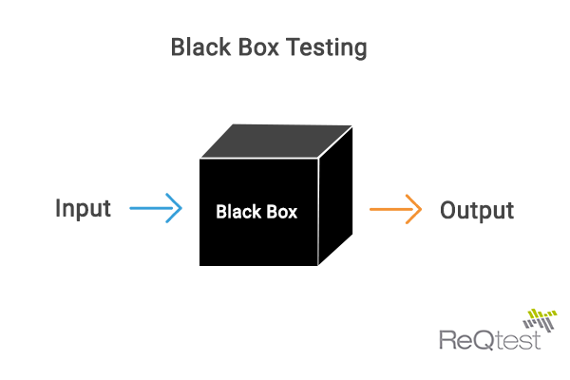
Black Box Testing
 | Black box testing involves testing a system with no prior knowledge of its internal workings. A tester provides an input, and observes the output generated by the system under test. Black box testing is a powerful testing technique because it exercises a system end-to-end.black box testing is to specify the business needs or the customer's requirements.
 | Black Box Testing is a software testing method in which the structure/ design/ implementation of the item being tested is not known to the tester

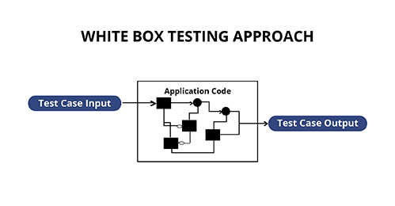
 | Black box testing can be applied to three main types of tests: 1.functional, 2.non-functional, 3.regression testing.

White Box Testing | The White Box Testing is a type of testing technique that mainly examines program structure and derives test data on the basis of program logic or code
(type of manual testing) | the internal structure/ design/ implementation of the item being tested is known to the tester.
 | tester can see the code. The main purposes of this type of testing are to test the inner workings of the software, as well as strengthen its security, and improve its usability and design In white-box testing, the developer will inspect every line of code before before handing it over to testing team

Severity | Severity is a parameter to denote the impact of a particular defect on the software Severity means how severe defect is affecting the functionality
Priority | Priority is a parameter to decide the order in which defects should be fixed( how soon that defect should be fixed)
 | What is low severity and high priority? High severity and low priority status means that the bug can cause significant damage, but can be fixed at a later date. High priority and low severity status means that the bug must be fixed immediately but it does not affect the software too adversely.

Types od testing
Regression Testing | Every time a new module is added leads to changes in the program. This type of testing makes sure that the whole component works properly even after adding components to the complete program
 | Regression testing is a type of testing where you can verify that the changes made in the codebase do not impact the existing software functionality. For example, these code changes could include adding new features, fixing bugs, or updating a current feature.

 | Types of Black Box Testing
1 | Functional Testing
2 | Non-function Testing
Functional Testing | In functional testing, all the components are tested by giving the value, defining the output, and validating the actual output with the expected value.
 | types of Functional Testing
1 | Unit Testing
2 | Integration Testing

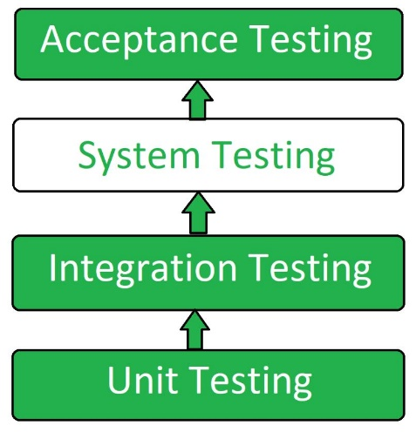
Unit Testing | Unit testing is the first level of functional testing in order to test any software. In this, the test engineer will test the module of an application independently to confirm the unit components with their performance. Here, a unit is defined as a single testable function of a software or an application.
Integration Testing | It is the second level of functional testing, where we test the data flow between dependent modules or interface between two features is called integration testing. The purpose of executing the integration testing is to test the statement's accuracy between each module.

System Testing | System Testing is a type of software testing that is performed on a complete integrated system to evaluate the compliance of the system with the corresponding requirements. In system testing, integration testing passed components are taken as input.

End to End Testing | End-to-end testing is a methodology used in the software development lifecycle (SDLC) to test the functionality and performance of an application under product-like circumstances and data to replicate live settings. The goal is to simulate what a real user scenario looks like from start to finish.

UAT report | User Acceptance Testing Report · - is the final phase of product testing prior to public launch.
 | Acceptance testing is performed once the product team has decided that the product is completely ready for the market.

Load Testing Examples: | Some basic examples of load testing are: Testing a printer by transferring a large number of documents for printing. Testing a mail server with thousands of concurrent users. Testing a word processor by making a change in the large volume of data
 | Load tests help you understand how a system behaves under an expected load

Stress Load | Stress tests help you understand the upper limits of a system's capacity using a load beyond the expected maximum.

Non-functional testing | It provides detailed information on software product performance and used technologies.
 | Non-functional testing will help us minimize the risk of production and related costs of the software.
 | Non-functional testing is a combination of performance, load, stress, usability and, compatibility testing.
Performance Testing | In performance testing, the test engineer will test the working of an application by applying some load.
 | In this type of non-functional testing, the test engineer will only focus on several aspects, such as Response time, Load, scalability, and Stability of the software or an application.
Usability Testing | Another type of non-functional testing is usability testing. In usability testing, we will analyze the user-friendliness of an application and detect the bugs in the software's end-user interface.
 | Here, the term user-friendliness defines the following aspects of an application:
 | The application should be easy to understand, which means that all the features must be visible to end-users.
 | The application's look and feel should be good that means the application should be pleasant looking and make a feel to the end-user to use it.

Security Testing | Security Testing is a type of Software Testing that uncovers vulnerabilities of the system and determines that the data and resources of the system are protected It ensures that the software system and application are free from any threats or risks that can cause a loss.

Compatibility Testing | In compatibility testing, we will check the functionality of an application in specific hardware and software environments. Once the application is functionally stable then only, we go for compatibility testing.

Sanity Testing | So, the first thing is to identify the new functionalities, changes or any bug fixes. Now, you will check the newly implemented changes if they are working fine. Then, you will randomly check a few related functionalities to see if they are also working as expected
 | Sanity testing is a subset of regression testing. After receiving the software build, sanity testing is performed to ensure that the code changes introduced are working as expected . ... If the sanity test fails, the build is rejected by the testing team to save time and money.
Diff Between Sanity and smoke
What is difference between severity and priority | Severity means how severe defect is affecting the functionality. Priority means how fast defect has to be fixed. Bug Severity Bug Severity or Defect Severity in testing is a degree of impact a bug or a Defect has on the software application under test. A higher effect of bug/defect on system functionality will lead to a higher severity level. A Quality Assurance engineer usually determines the severity level of a bug/defect. What is Priority? Priority is defined as the order in which a defect should be fixed. Higher the priority the sooner the defect should be resolved. Defects that leave the software system unusable are given higher priority over defects that cause a small functionality of the software to fail. Priority is categorized into three types : low, medium and high whereas Severity is categorized into five types : critical. major, moderate, minor and cosmetic.

